SAKHWARA
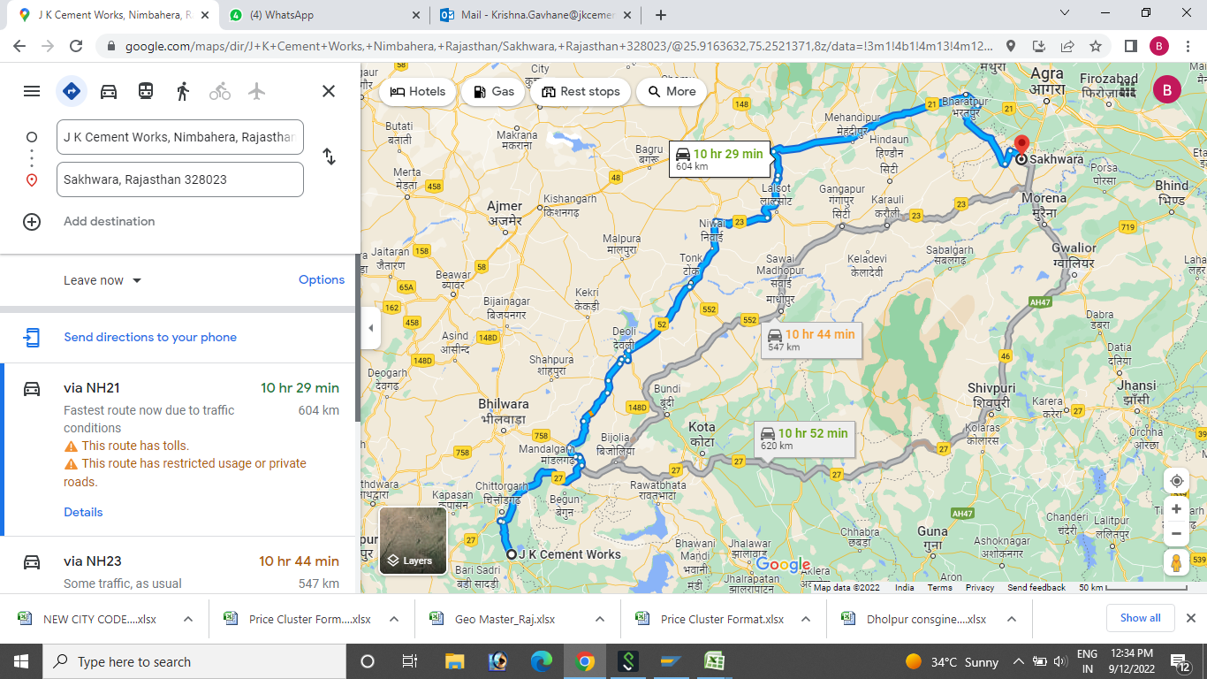
Country | State | Destination/City | Destination/City Codes | Taluka / Tehsil | Tehsil/Taluka Codes | District | District/ County Code | Price cluster | PRICE LIST | Distance from WH & Plant(in Kms) | Source from where the distance is mapped(WH/Plant code) | Source from where the distance is mapped(WH/Plant Name) | PINCODE | Customer Hierarchy 6 (DMOG Codes)
IND | RJ 1 | SAKHWARA | TO BE OPEN | DHOLPUR | RJ121 | DHOLPUR | 148 | 20 DHOLPUR | VU | 547 K.M. | 1004 | 1468 | 328023 | DMOG100

